Sheet1
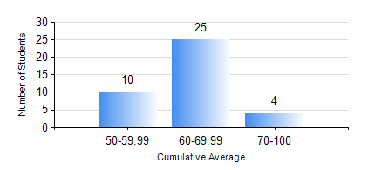
 |  |  | KWAME NKRUMAH UNIVERSITY OF SCIENCE AND TECHNOLOGY, KUMASI Department of Mechanical Engineering

 |  |  | BSC. INDUSTRIAL ENG.

 |  |  | COMPREHENSIVE RECORD OF EXAMINATION RESULTS

 |  |  | RESULTS OF YEAR 4 SECOND SEMESTER, 2021/2022 ACADEMIC YEAR

 | Sn | Course Code |  | Course Name | Credit Hours | Min. Mark | Max. Mark | Avg. Mark | Std. Dev. | No. Passed | No. Trailed | No. (Df) | No. (I) | No. (I*) | No. Tagged(I,I*,Df) | Total
 | 1. | IE 395 |  | SUPERVISED INDUSTRIAL WORK EXPERIENCE | 1 | 67 | 90 | 77 | 5.9 | 39 | 0 | 0 | 0 | 0 | 0 | 39
 | 2. | IE 452 |  | AUTOMATION AND PRODUCTION SYSTEM | 2 | 43 | 95 | 77 | 14.5 | 39 | 0 | 0 | 0 | 0 | 0 | 39
 | 3. | IE 454 |  | PRODUCTION PLANNING AND CONTROL | 3 | 40 | 94 | 72 | 14.08 | 39 | 0 | 0 | 0 | 0 | 0 | 39
 | 4. | IE 456 |  | SYSTEMS INTEGRATION | 1 | 43 | 87 | 65 | 10.96 | 39 | 0 | 0 | 0 | 0 | 0 | 39
 | 5. | IE 458 |  | HUMAN FACTORS AND ERGONOMICS | 3 | 45 | 94 | 65 | 11.35 | 39 | 0 | 0 | 0 | 0 | 0 | 39
 | 6. | IE 498 |  | FINAL YEAR PROJECT II | 5 | 61 | 75 | 70 | 5.81 | 39 | 0 | 0 | 0 | 0 | 0 | 39
 | 7. | ME 492 |  | MANAGEMENT AND ENTREPRENEURSHIP DEVELOPMENT | 2 | 43 | 74 | 61 | 7.08 | 39 | 0 | 0 | 0 | 0 | 0 | 39
 | 8. | ME 494 |  | MAINTENANCE ENGINEERING | 3 | 41 | 71 | 57 | 7.37 | 39 | 0 | 0 | 0 | 0 | 0 | 39

